Project2553
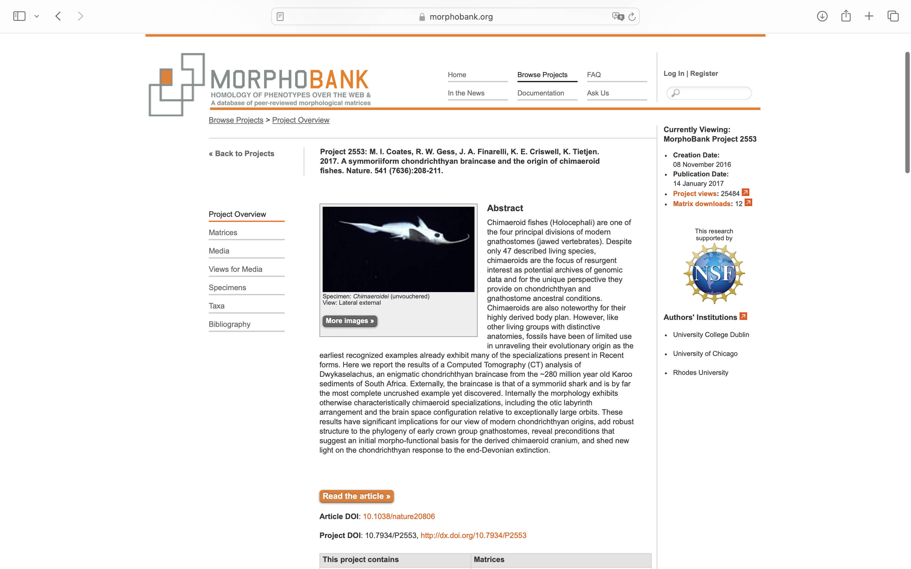
Charlabels | Character Pattern | Unseen States
[1] 'Tessellate calcified cartilage' | Neomorphic | NO
[2] 'Multilayered tesserae' | Neomorphic | NO
[3] 'Perichond bone' | Neomorphic | NO
[4] 'Endochond bone' | Neomorphic | NO
[5] 'Dentine variety' | Transformational | YES
[6] 'Cosmine' | Neomorphic | NO
[7] 'Acrodin' | Neomorphic | NO
[8] 'Lepdotrichia' | Neomorphic | NO
[9] 'Trunk scales mono/polycuspid' | Transformational | NO
[10] 'Scale concentric' | Neomorphic | NO
[11] 'Scale peg&socket artic.' | Neomorphic | NO
[12] 'Scale base convex' | Neomorphic | NO
[13] 'Scale base flat' | Neomorphic | NO
[14] 'Scale basal canal' | Neomorphic | NO
[15] 'Neck canal' | Neomorphic | NO
[16] 'Scale sensory line' | Transformational | YES
[17] 'Sensory line enclosed' | Transformational | YES
[18] 'Dermal skull plates' | Transformational | YES
[19] 'Dermal skull tessera' | Transformational | YES
[20] 'Paired dermal plates' | Neomorphic | NO
[21] 'Large median bone in posterior margin of skull roof' | Neomorphic | NO
[22] 'Pineal open in dermatocranium' | Neomorphic | NO
[23] 'Parietals (placoderm preorbitals) surround pineal marker' | Transformational | YES
[24] 'Cheek plates' | Neomorphic | NO
[25] 'Dermal intracranial joint' | Neomorphic | NO
[26] 'Branchiostegals' | Neomorphic | NO
[27] 'Submarginal/opercular plate' | Neomorphic | NO
[28] 'Gular plates' | Neomorphic | NO
[29] 'Gill skeleton position' | Transformational | YES
[30] 'Interhyal' | Neomorphic | NO
[31] 'Hypohyals' | Neomorphic | NO
[32] 'Basihyal' | Neomorphic | NO
[33] 'Pharyngobranchials' | Neomorphic | NO
[34] 'Supra- and infra-pharyngobranchials' | Neomorphic | NO
[35] 'Pharyngobranchial orientation' | Transformational | YES
[36] 'Hypobranchial direction' | Transformational | YES
[37] 'Oral tubercles on jaw' | Neomorphic | NO
[38] 'Pharyngeal teeth or denticles' | Neomorphic | NO
[39] 'Tooth whorls' | Neomorphic | NO
[40] 'Whorls fused/sep. teeth' | Transformational | YES
[41] 'Lingual torus' | Neomorphic | NO
[42] 'Basiolabial shelf' | Neomorphic | NO
[43] 'Adsymph whorl/gape margin' | Transformational | YES
[44] 'Toothplates' | Neomorphic | NO
[45] 'Large posterior, small anterior toothplates' | Neomorphic | NO
[46] 'Toothplates 2 upper 1 lower' | Neomorphic | NO
[47] 'Jaw dermal plates' | Neomorphic | NO
[48] 'Teeth ankylosed' | Neomorphic | NO
[49] 'Maxilla & dentary form outer arcade' | Neomorphic | NO
[50] 'PQ otic proc. large' | Neomorphic | NO
[51] 'PQ ventromedial fossa' | Neomorphic | NO
[52] 'PQ oblique ridge' | Neomorphic | NO
[53] 'PQ articulation with postorbital process' | Transformational | YES
[54] 'PQ fused to neurocranium' | N;0=0;1=1;2=?
[55] 'Mandibular knob' | Neomorphic | NO
[56] 'Jaw artic. posterior' | Neomorphic | NO
[57] 'Dental sulcus' | Neomorphic | NO
[58] 'Scalloped margin' | Neomorphic | NO
[59] 'Mandibular symphysis fused' | Neomorphic | NO
[60] 'Dermal plates on mesial surfaces of jaws' | Neomorphic | NO
[61] 'Parasphenoid' | Neomorphic | NO
[62] 'Precerebral fontanelle' | Neomorphic | NO
[63] 'Subethmoid keel' | Neomorphic | NO
[64] 'Rostral bar' | Neomorphic | NO
[65] 'Internasal groove' | Neomorphic | NO
[66] 'Orbito-nasal lamina dorsoventrally deep' | Neomorphic | NO
[67] 'Olf. tract & telenceph. space slender' | Neomorphic | NO
[68] 'Anterior myodome' | Transformational | YES
[69] 'Supraorbital shelf wide' | Neomorphic | NO
[70] 'Interorbit space narrow' | Neomorphic | NO
[71] 'Palatobasal articulation' | Transformational | YES
[72] 'Optic pedicel' | Neomorphic | NO
[73] 'Opthalmic foramen' | Neomorphic | NO
[74] 'Bucco-hypophyseal space' | Transformational | NO
[75] 'Internal carotids' | NT?;0=11;1=12;2=0-
[76] 'Efferent pseudobranchial canal within basicranial cartilage' | Neomorphic | NO
[77] 'Basisphen. pillar IC pierced' | Neomorphic | NO
[78] 'Spiracular groove on basicranial surface' | Neomorphic | NO
[79] 'Spiracular groove on lateral or transverse wall of jugular canal' | Neomorphic | NO
[80] 'Orbit large' | Neomorphic | NO
[81] 'Postorbital arcade' | Neomorphic | NO
[82] 'Postorbit. PQ artic.' | Neomorphic | NO
[83] 'Postorbit. arcade shape' | Transformational | YES
[84] 'Jugular canal size' | NT?;0=11;1=12;2=0-
[85] 'Trigeminofacial recess' | Neomorphic | NO
[86] 'Postorbit. cavity' | Neomorphic | NO
[87] 'Hyoid ramus of facial nerve (N. VII) exits through posterior jugular opening' | Neomorphic | NO
[88] 'Posterior postorbit. process' | Neomorphic | NO
[89] 'Periotic process' | Neomorphic | NO
[90] 'Lateral otic process' | Neomorphic | NO
[91] 'Subotic occipital fossa' | Neomorphic | NO
[92] 'Otic caps extend post' | Neomorphic | NO
[93] 'Postotic process' | Neomorphic | NO
[94] 'Otic capsule spacing' | Transformational | YES
[95] 'Domed endocranial space' | Neomorphic | NO
[96] 'Mesencephalon roof elevated relative to otic capsule' | Neomorphic | NO
[97] 'Telencephalon offset ventrally' | Neomorphic | NO
[98] 'Medial capsular wall' | Neomorphic | NO
[99] 'Crus commune' | Neomorphic | NO
[100] 'Sinus superior' | Neomorphic | NO
[101] 'External semicircular canal tilted' | Neomorphic | NO
[102] 'External semicircular canals meet posteriorly' | Neomorphic | NO
[103] 'Perilymphatic fenestra' | Neomorphic | NO
[104] 'Endolymph duct orientation' | Transformational | YES
[105] 'Endolymphatic ducts anterior to crus commune' | Neomorphic | NO
[106] 'Postdors. fontanelle post tect' | Neomorphic | NO
[107] 'Subcircular endolymph. foramen' | Neomorphic | NO
[108] 'Dorsal ridge with horiz. crest' | Neomorphic | NO
[109] 'Dorsal ridge medial recess' | Neomorphic | NO
[110] 'Parietal fossa' | NT2;0=0-;1=11;2=12
[111] 'Ventral cran. fiss.' | Neomorphic | NO
[112] 'Intracranial joint' | Neomorphic | NO
[113] 'Metotic & occip. cran. fiss.' | Neomorphic | NO
[114] 'Hypotic lamina' | Neomorphic | NO
[115] 'Glossopharyngeal path' | T?;0=1;1=2;2=3;3=?
[116] 'Platy/tropibasic' | Transformational | YES
[117] 'Dorsal aorta canal in basicranium' | Neomorphic | NO
[118] 'Dorsal aorta split' | Transformational | YES
[119] '(basi) Occip. arch ventral wedge' | Neomorphic | NO
[120] '(ex) Occip. arch dorsal wedge' | Neomorphic | NO
[121] '(supra) Occip. crest' | Neomorphic | NO
[122] 'Unconstricted cranial notochord' | Neomorphic | NO
[123] 'Vertebral centra' | Neomorphic | NO
[124] 'Chordacentra' | Neomorphic | NO
[125] 'Chordacentra rings closely packed' | Neomorphic | NO
[126] 'Synarcual' | Neomorphic | NO
[127] 'Pectoral girdle micromeric' | Neomorphic | NO
[128] 'Scapular postdorsal angle' | Neomorphic | NO
[129] 'Dibasal pectoral fin' | Neomorphic | NO
[130] 'Metapterygial whip' | Neomorphic | NO
[131] 'Puboischiadic bar' | Neomorphic | NO
[132] 'Mixipterygial pelvic clasper' | Neomorphic | NO
[133] 'Pelvic tenaculum' | Neomorphic | NO
[134] 'Dorsal fin spines' | Neomorphic | NO
[135] 'Dorsal fin spine posterior denticles' | Neomorphic | NO
[136] 'Dorsal fin spine only at pectoral level' | Neomorphic | NO
[137] 'Anal fin spines' | Neomorphic | NO
[138] 'Pectoral fin spines' | Neomorphic | NO
[139] 'Cephalic spines' | Neomorphic | NO
[140] 'Dorsal fin number' | Transformational | YES
[141] 'Posterior dorsal baseplate' | Neomorphic | NO
[142] 'Posterior dorsal fin with delta-shaped cartilage' | Neomorphic | NO
[143] 'Anal fin' | Neomorphic | NO
[144] 'Caudal neural spines' | Transformational | YES
[145] 'Lunate tail' | Neomorphic | NO

